Sheet1
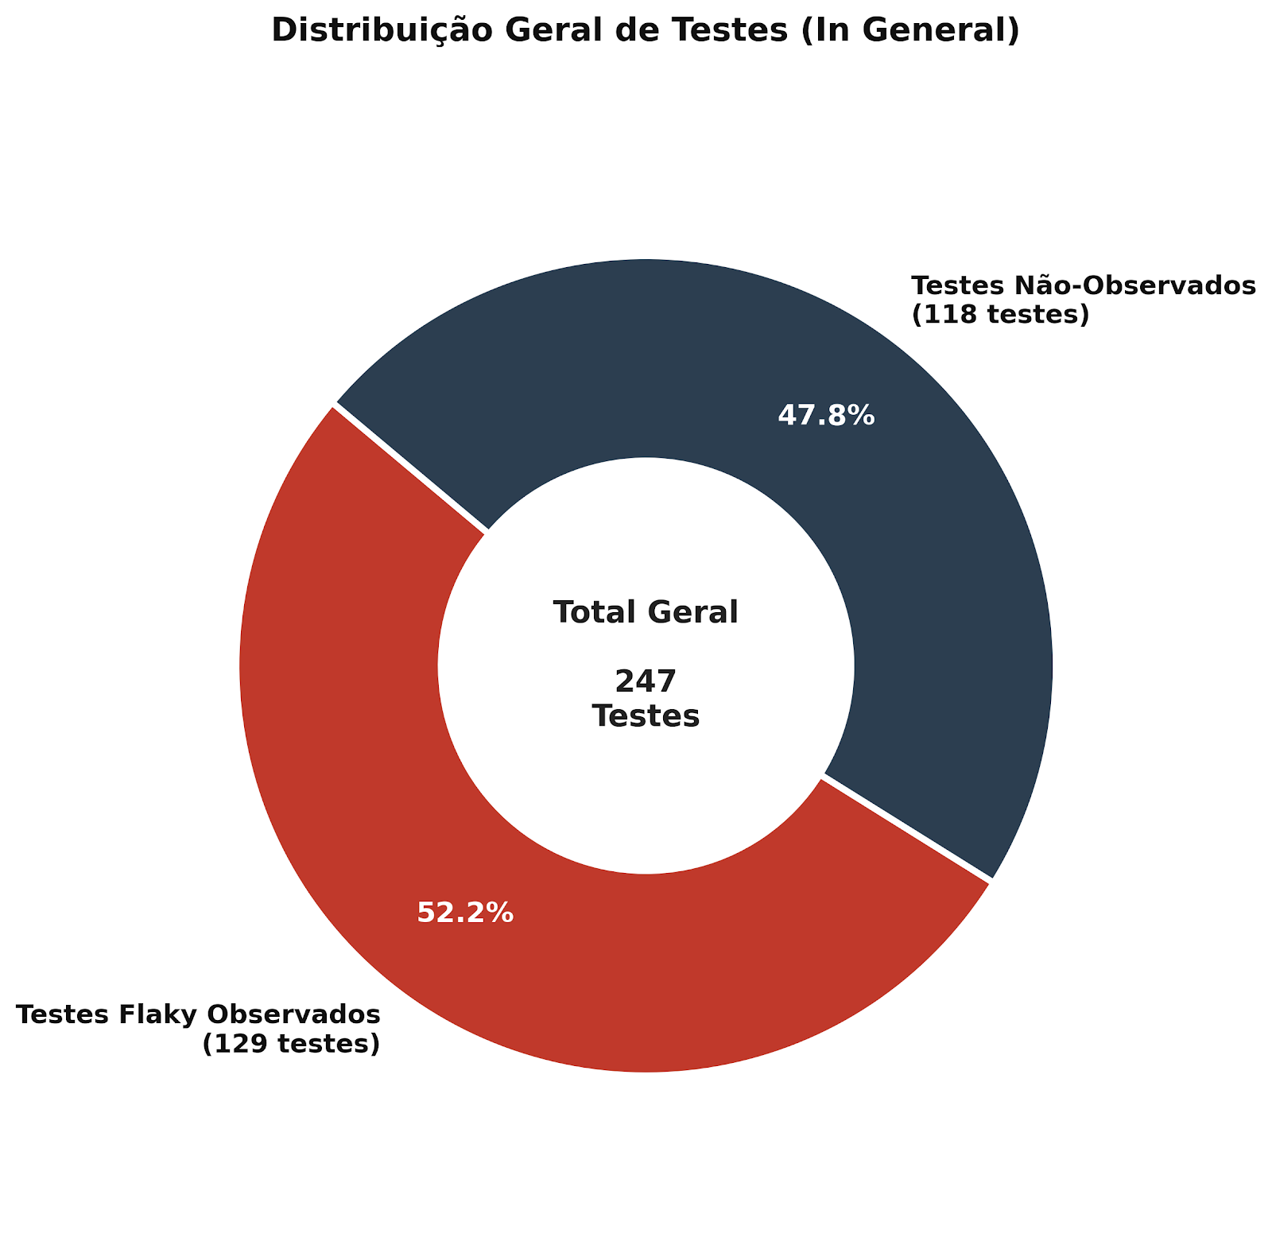
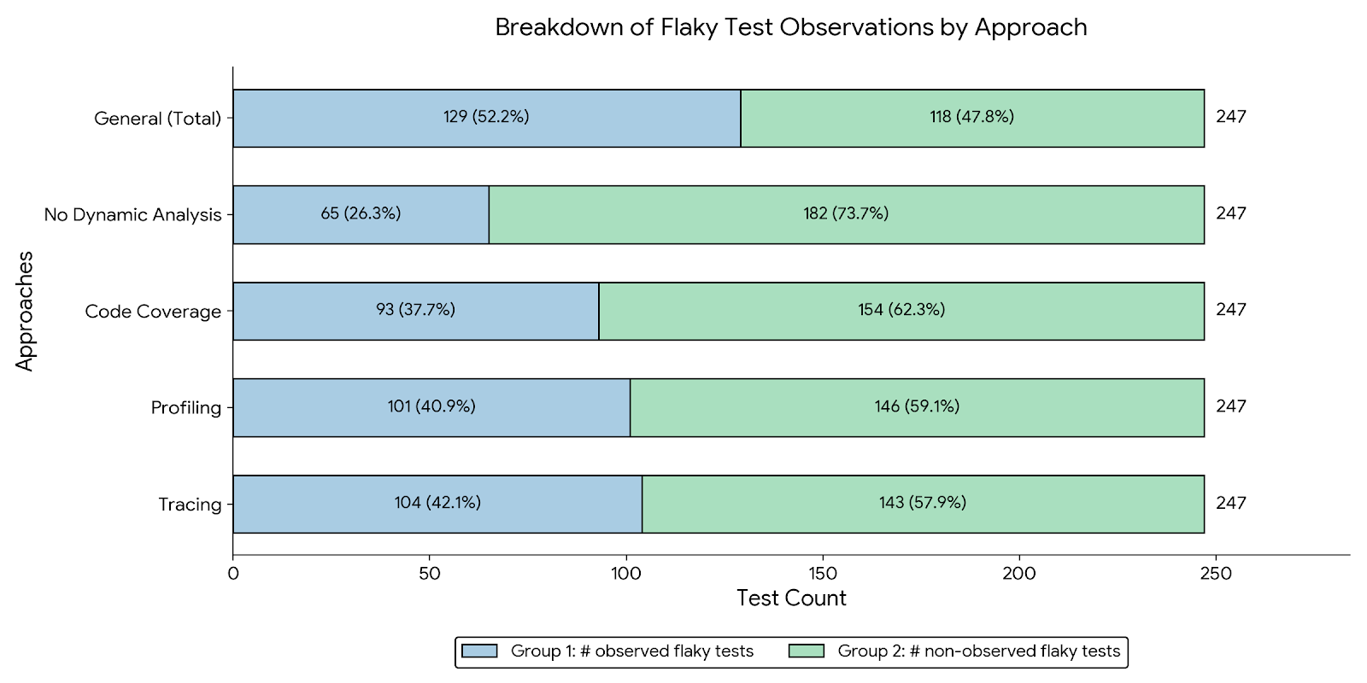
Approaches | # observed flaky tests | %
No Dynamic Analysis | 65 | 26.32%
Code Coverage | 93 | 37.65%
Profiling | 101 | 40.89%
Tracing | 104 | 42.11%

Approaches | # non-observed flaky tests
No Dynamic Analysis | 182 | 73.68%
Code Coverage | 154 | 62.35%
Profiling | 146 | 59.11%
Tracing | 143 | 57.89%

in general | total
# observed flaky tests | 129 | 52.23%
# non-observed flaky tests | 118 | 47.77%

